Sheet2
Microservices Composition Frameworks

 | Orchestration |  | 22
 | Choreography |  | 11
 | Hybrid |  | 6
 | Decentralized composition |  | 1
 | Unspecified |  | 14
Microservices composition methods
An agent-based composition model for semantic microservices S11 (S8)
Selection Mechanism of Micro-Services Orchestration Vs. Choreography S13 (S9)
On Collaborative Model-Driven Development of Microservices S15 (S10)
A Client MicroServices Automatic Collaboration Framework Based on Fine-Grained APP S16 (S11) |  |  |  |  |  |  |  |  |  |  |  | `
Automated tools for the development of microservice compositions for hybrid scientific computations S17 (S12)
An Implementation of Service Composition for Enterprise Business Processes S18 (S13)
COOP - automatiC validatiOn of evOlving microservice comPositions S19 (S14)
An API-first Methodology for Designing a Microservice-based Backend as a Service Platform S20 (S15) | BPMN |  | 2 |  | S1, S7
Microns: Commands for Building Bubble Microservices S21 (S16) | DSL |  | 4 |  | S2, S3, S24, S38
Microservices Science and Engineering S23 (S17) | Semantic annotation - OW |  | 5 |  | S3, S5, S7, S8, S14
AUTOGENIC: Automated Generation of Self-configuring Microservices S24 (S18) | CSP# |  | 1 |  | S6
Xue, G., Deng, S., Liu, D., & Yan, Z. (2021). Reaching consensus in decentralized coordination of distributed microservices. Computer Networks, 187. S26 (S19) | Ad-hoc |  | 4 |  | S9, S13, S32, S34
 | Collaborative modelling |  | 1 |  | S10
 | MSAC |  | 1 |  | S11 |  | MicroServices Automatic Collaboration
Joseph, C. T., & Chandrasekaran, K. (2020). IntMA: Dynamic Interaction-aware resource allocation for containerized microservices in cloud environments. Journal of Systems Architecture, 111. S29 (S20) | HPCSOMAS |  | 1 |  | S12
Microservices Composition Frameworks
Tapia, F., Mora, M. A., Fuertes, W., Aules, H., Flores, E., & Toulkeridis, T. (2020). From monolithic systems to microservices: A comparative study of performance. Applied Sciences (Switzerland), 10(17). S30 (S21) | COOP |  | 1 |  | S14
 | Jolie |  | 2 |  | S17, S28
 | Autogenic |  | 1 |  | S18
 | DSML |  | 2 |  | S10, S25 |  | DS Modelling language
 | AMPLA |  | 1 |  | S27
 | MDE |  | 2 |  | S29, S40
 | MiSC |  | 1 |  | S30
 | PhilHarmonics Flows |  | 1 |  | S31
 | Linkedator |  | 1 |  | S33
 | HPCSOMAS-MSC |  | 1 |  | S35
 | ALIDA |  | 1 |  | S36
 | Molecular framework |  | 1 |  | S39
 | Web framework |  | 2 |  | S41, S45
 | Ant Colony Optimization |  | 1 |  | S42
Toffetti, G., Brunner, S., Blöchlinger, M., Spillner, J., & Bohnert, T. M. (2017). Self-managing cloud-native applications: Design, implementation, and experience. Future Generation Computer Systems, 72, 165–179. S44 (S22) | MAPE-K agent |  | 1 |  | S43
 | g-Choreorography |  | 2 |  | S29, S40
 | Chimera |  | 1 |  | S47
 | Pishahang |  | 1 |  | S48
 | Pipekit |  | 1 |  | S49
 | GA-Par |  | 1 |  | S50
 | AI Immune |  | 1 |  | S51
 | Graph Transformation |  | 1 |  | S53
 | MICO Meta-model |  | 1 |  | S55
 | Genetic Algorithm |  | 1 |  | S56
 | Saga |  | 1 |  | S57
 | Medley |  | 1 |  | S3
 | Beethoven |  | 1 |  | S2, S24

Schäffer, E., Mayr, A., Fuchs, J., Sjarov, M., Vorndran, J., & Franke, J. (2020). Microservice-based architecture for engineering tools enabling a collaborative multi-user configuration of robot-based automation solutions. Procedia CIRP, 86, 86–91. https://doi.org/https://doi.org/10.1016/j.procir.2020.01.017 S60 S23

 | Model-driven |  | 21 | S1, S6, S7, S8, S10, S11, S16, S24, S25, S26, S27, S28, S29, S31, S34, S35, S36, S40, S46, S53, S55 |  | Event-driven | 1 | S9 | Static | 2 | S12, S23
 | DSL |  | 5 | S2, S43 S24, S72, S388 |  |  |  |  | Dynamic | 4 | S12, S14, S39, S41
 | LTS |  | 2 | S4, S6
 | Semantic annotation/OW/data linking |  | 8 | S5, S7, S8, S14, S33, S42, S43, S54
Microservices composition approaches
 | Language based |  | 7 | S6, S17, S24, S28, S39, S41, S47
 | Agent-based |  | 7 | S7, S8, S9, S12, S21, S35, S43
 | Algorithm-based |  | 7 | S5, S7 (SPF), S42, S50, S54, S55, S56
 | Human (teams) collaboration |  | 3 | S10, S23, S25
 | Client-based collaboration |  | 1 | S11
 | Container-based |  | 8 | S13, S18, S20, S21, S30, S23, S34, S49
 | API-based |  | 1 | S15
 | Micron-based |  | 1 | S16
 | Transaction-based |  | 3 | S19, S94, S57
 | Interaction awareness |  | 1 | S20
 | Cloud-based |  | 5 | S21, S22, S30, S48, S134
 | Event-based |  | 6 | S1, S2, S3, S30, S94, S44
 | Process coordination |  | 1 | S85
 | QoS |  | 4 | S5, S107, S42, S51
 | Workflow-based |  | 3 | S7, S36, S38
 | Contract-based |  | 3 | S15, S44, S52
 | ML-based |  | 1 | S45
 | Total |  | 98

 | Compositions methods | Microservices composition methods
 | event-driven | 12 | s1, s2, s3, s4, s9, s29, s30, s32, s39, s49, s55, s57
 | request-response | 6 | s4, s9, s16, s17, s39, s47
 | sync/async | 16 | s2, s4, s6, s9, s13, s15, s19, s27, s28, s30, s41, s43, s44, s46, s47, s54
 | dynamic workflow | 21 | s7, s8, s11, s12, s13, s18, s20, s22, s23, s24, s35, s36, s37, s41, s42, s43, s44, s45, s52, s53, s56
 | manual/static modelling | 12 | s1, s10, s23, s25, s26, s27, s28, s29, s31,s33, s34, 38, s40
 | N/A | 2 | s5, s21

Taxonomy
 | Mapping per Garriga (2018) taxonomy
Dimensions/features | Design | Implementation | Runtime | Crosscutting Concerns | Organizational Aspects | Microservices
 | Design: Design implies thinking about the boundaries of microservices that will maximize their upsides and avoid some of the potential downsides, focused on loose coupling and high cohesion as the two key principles of SOA. The architects face this set of decisions, together with the possible choices, at the earliest stage of the lifecycle Design approaches means the preexistence (or absence) of legacy software that should be transitioned to a microservices architecture, constraining its design. Possible values: brownfield, greenfield Design practices to handle the complexity of microservices architectures into design time. Possible values: domain-driven design, design for failure, other. Architectural support describing the obligations/constraints to be fulfilled by the microservices system, and how to apply them into a dynamic context environment. Possible values: reference architectures, model-driven design, other. | Implementation implies being aware of program complexity, due to the thousands of microservices running asynchronously in a distributed computer network: programs that are difficult to understand are also hard to write and modify. Should also allow continuous evolution, which is often required by the application domain Technology Stack: Languages “the right tool for the right job” , since microservices foster polyglot languages. Possible values: formal (using formal languages to some extent), scripting, object-oriented, ad-hoc (developing a new language for microservices). Interaction Models refers to the communication flow among components. Possible values: synchronous, asynchronous. Data Exchange are the protocols used to represent the communication. Possible values: REST/HTTP, RPC-alike, message queues, other Service Interfaces are the different means of specifying contracts (if any) for the communication of microservices. Possible values: formal (defined through a formal contract), tech-tied (the interface is tied to the implementation technology), ad-hoc (defined in a novel language). Supporting Systems: Data Storage usually integrated multiple services in legacy systems, but in microservices architectures it is mandatory to find seams in the databases and use the right technologies to split them out cleanly. Possible values: SQL, graph-oriented, document-oriented, other. Service Discovery should allow clients to make requests to a dynamically changing, large set of transient service instances. Possible values: client-driven (querying a service registry), server-driven (API gateway, load balancer) Deployment encompasses how and where services are actually hosted and deployed: Platform can be customized due to privacy, security or business constraints. Possible values: public cloud, private cloud, in-house. Management encompasses the responsive reaction to failures and changing environmental conditions, minimizing human intervention. Possible values: built-i | Runtime requires extra effort and attention given the number of independent components, log files and interactions, which can affect latency and reliability. Virtualization encompasses the different degrees of platform abstraction, isolation and sharing. Possible values: virtual machines (VMs), containers, serverless (i.e., Functions-as-a-Service [46]), no virtualization. Control loops or MAPE loops (monitor-analyize-plan-execute) allow for different degrees of self-adaptation. This is challenging in a distributed setting since the overall system behavior emerges from the localized decisions and interactions. In our view, approaches can implement one or more stages of the control loop. Possible values: monitoring, analysis, planning, execution Verification & Validation at runtime, concern the quality assessment of microservices throughout their lifecycle. Possible values: models (at runtime), properties, other. | Crosscutting Concerns mostly regard QoS aspects that have to be tracked within the microservices lifecycle, supported by the infrastructure through specific artifacts and independent of individual microservices. Availability and Resilience imply handling both service-level and low-level failures that demand for persistence and recovery techniques. Possible values: resilience patterns, fault injection, error-handling policies, resilience tests, other. Reliability refers to a system that is capable of perform well without halting, according to its requirements, and is fault-tolerant. This is particularly challenging for distributed microservices, threatened by integration and message passing mechanisms. Possible values: edge servers [4], type checking [25], reliability services [31, 37], other. Maintaintability can be plainly defined by the premise “you build it, you run it” which claims for a better understanding of business capabilities, roles and operational details. Possible values: service templates, models at runtime, other. Security vulnerabilities are those of SOA, plus the high distribution and network complexity that pose additional difficulty in debugging, monitoring, auditing and forensic. Possible values: security contracts, private cloud, other. Scalability and elasticity refer to the capability to rapidly adjust the overall capacity of the platform by adding or removing resources, also minimizing human intervention. Possible values: vendor-provided, autonomic MAPE loops, configuration servers, other. Tool Support should be provided given the program complexity, performance criticality and evolutive characteristics of microservices. Possible values: design, programming/developing, testing, deployment/operation. | Organizational Aspects are crucial since organizations produce designs which are copies of their communication structures. Thus, a siloed organization will produce a siloed-system, while a DevOps one, with development and operations teams organized around business capabilities and collaboration (cross-functional teams) will be able to produce well-bounded microservices. Although this concept is less technical when compared with the previous ones, it is important to understand the complex “organizational rewiring” scenarios that need to be faced when transitioning to microservices, which may imply continuously adapting both the organization and architecture, and understand or mediate new requirements and concerns. Possible values: DevOps, Continuous delivery/deployment/integration practices, other. |  | 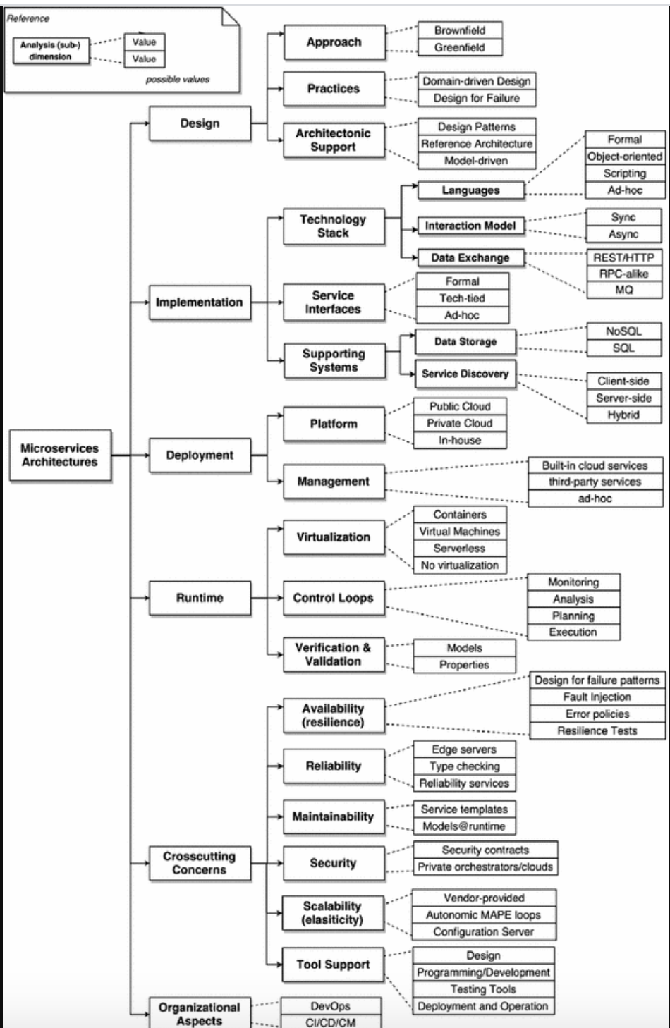
S57 | To evaluate the proposed mechanisms, two experiments are conducted. The experimental result considers the following items: (a) total request time, (b) finished requests and compensated requests, (c) resource reservation time in a service. For client programs, the total request time is the time of sending requests to a service composition, and it is measured by the time between sending the first request and receiving the last response. The finished requests and the compensated requests are the numbers of requests that a microservice composition processed and aborted, respectively. The resource reservation time (in a service) is the time period that a microservice can reserve the resources. It is measured by the time between reserving resources and cancelling the reservation. | Data exchange: RESTful using Flask, Flask-RESTful, and Requests Data storage: SQLite3 Language: Python | Virtualization: 2 virtual hosts used

Patterns
Microservices Patterns |  | Microservices samples
API Gateway | 17 | ms1,ms4,ms6, ms10,ms11,ms13,ms14,ms16,ms19,ms20,ms26,ms27,ms30,ms33,ms34,ms45,ms47
Service Discovery | 6 | ms4,ms7,ms11,ms12,ms26,ms27
Service Registry | 3 | ms12,ms26,ms27
Load balancer | 5 | ms1,ms2,ms26,ms27,ms43
Circuit breaker | 6 | ms3,ms4,ms11,ms16,ms26,ms27
Message broker | 4 | ms3,ms14,ms18,ms19
DB per service | 11 | ms2,ms3,ms4,ms11,ms12,ms13,ms18,ms19,m20,ms30, ms31
DB cluster | 3 | ms38,ms43,ms44
Shared DB | 5 | ms38,ms43,ms44,ms45,ms47
Sync (Request/Response) | 10 | ms15,ms21,ms24,ms25,ms30,ms31,ms32,ms39,ms40,ms48
Async (Pub/Sub) | 7 | ms3.ms11,ms12,ms32,ms43,ms46,ms49
Cloud | 13 | ms3,ms4,ms8,ms26,ms27,ms38,ms43,ms44,ms45,ms46,ms47,ms48,ms49
Container | 20 | ms2,ms5, ms10,ms12,ms13,ms14,ms15,ms16,ms18,ms19,ms20,ms24,ms25,ms27,ms30,ms31,ms32,ms38,ms40,ms43

Microservice | Code | GitHub link
microservice-http-endpoint | ms1 | https://serverlessrepo.aws.amazon.com/applications/arn:aws:serverlessrepo:us-east-1:077246666028:applications~microservice-http-endpoint
Microservices-kubernetes | ms2 | https://github.com/ewolff/microservice-kubernetes
Asynchronous HTTP microservices | ms3 | https://github.com/zeit/micro
Customer stores | ms4 | https://github.com/spring-cloud-samples/customers-stores

Demo-front-end | ms5 | https://github.com/microservices-demo/front-end
Sample logging microservice | ms6 | https://github.com/mohhmekk/sample-logging-microservice
Sample Sping microservice | ms7 | https://github.com/piomin/sample-spring-microservices-new
Microservice demo | ms8 | https://github.com/GoogleCloudPlatform/microservices-demo
Socks shop | ms9 | https://github.com/GoogleCloudPlatform/microservices-demo
Cinema microservice | ms10 | https://github.com/Crizstian/cinema-microservice
vertx-blueprint-microservice | ms11 | https://github.com/sczyh30/vertx-blueprint-microservice
Microservice Kafka | ms12 | https://github.com/ewolff/microservice-kafka
Authentication microservice | ms13 | https://github.com/lipp/login-with
Airship manufacturer example | ms14 | https://github.com/nameko/nameko-examples

Electron render service | ms15 | https://github.com/msokk/electron-render-service
Stock quote | ms16 | https://github.com/IBMStockTrader/stock-quote
Email service | ms17 | https://github.com/clevertech/email-service

Store and display sales receipts | ms18 | https://github.com/pagarme/tldr
Pitstop – Garage management | ms19 | https://github.com/EdwinVW/pitstop

eSchool microservice | ms20 | https://github.com/OpenCodeFoundation/eSchool
Report microservice | ms21
 |  | https://github.com/k8guard/k8guard-report
Microservices orchestration | ms22 | https://github.com/nittapp/main
Microservices agency | ms23 | https://github.com/TheMicroservicesAgency/msa-website
Simple stateless microservice | ms24 | https://github.com/SVM143/Microservices
File conversion | ms25 | https://github.com/sgbj/versed
Microservices infrastructures | ms26 | https://github.com/josedab/spring-cloud-examples
VM creation | ms27 | https://github.com/ewolff/microservices-vm
Scientific visualization as a microservice | ms28 | https://github.com/seelabutk/tapestry
Tom microservice example | ms29 | https://github.com/Kikobeats/tom-example
The user microservice | ms30 | https://github.com/microservices-demo/user
eCommerce microservice | ms31 | https://github.com/digota/digota
Microservice toolkit for NY times | ms32 | https://github.com/nytimes/gizmo
Greeter microservice | ms33 | https://github.com/micro/examples/tree/master/greeter
Booking example | ms34 | https://github.com/micro/examples/tree/master/booking
Secure | ms35 | https://github.com/micro/examples/tree/master/secure
Metadata | ms36 | https://github.com/micro/examples/tree/master/metadata
Language sentiment | ms37 | https://github.com/cdipaolo/sentiment-server
MariaDB for microservices | ms38 | https://github.com/bstaijen/mariadb-for-microservices
Microservices agency | ms39 | https://github.com/TheMicroservicesAgency/msa-website
Simple stateless microservice | ms40 | https://github.com/SVM143/Microservices
File conversion | ms41 | https://github.com/sgbj/versed
Alexa-smart-home-skill-adapter | ms42 | https://serverlessrepo.aws.amazon.com/applications/arn:aws:serverlessrepo:us-\east-1:077246666028:applications~alexa-smart-home-skill-adapter
Datadog-Log-Forwarder | ms43 | https://serverlessrepo.aws.amazon.com/applications/arn:aws:serverlessrepo:us-east-1:464622532012:applications~Datadog-Log-Forwarder
SecretsManagerRDSMySQLRotationMultiUser | Ms44 | https://serverlessrepo.aws.amazon.com/applications/arn:aws:serverlessrepo:us-east-1:297356227824:applications~SecretsManagerRDSMySQLRotationMultiUser
image-resizer-service | ms45 | https://github.com/cagataygurturk/image-resizer-service
alexa-skills-kit-color-expert-python | ms46 | https://serverlessrepo.aws.amazon.com/applications/arn:aws:serverlessrepo:us-east-1:077246666028:applications~alexa-skills-kit-color-expert-python
Uploader service | ms47 | https://github.com/evanchiu/serverless-galleria
Alexa random-restaurant | ms48 | https://serverlessrepo.aws.amazon.com/applications/arn:aws:serverlessrepo:us-east-1:934629381695:applications~alexa-random-restaurant
SQS poller | ms49 | https://serverlessrepo.aws.amazon.com/applications/arn:aws:serverlessrepo:us-east-1:077246666028:applications~sqs-poller
Image resizer service | ms50 | https://github.com/cagataygurturk/image-resizer-service

